Hoja1
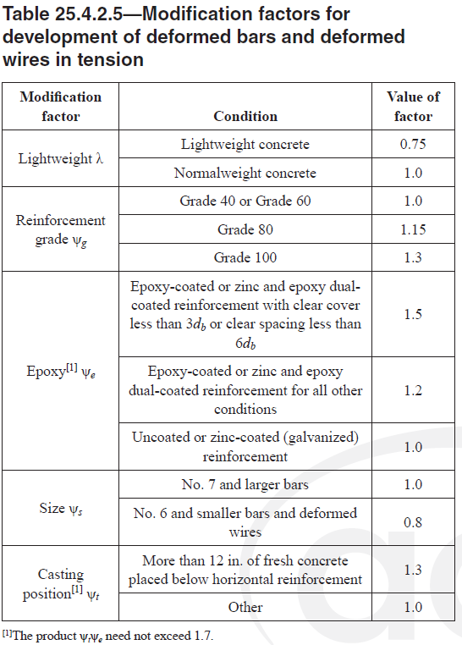
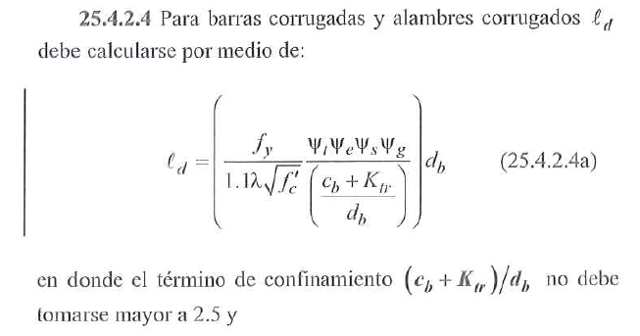
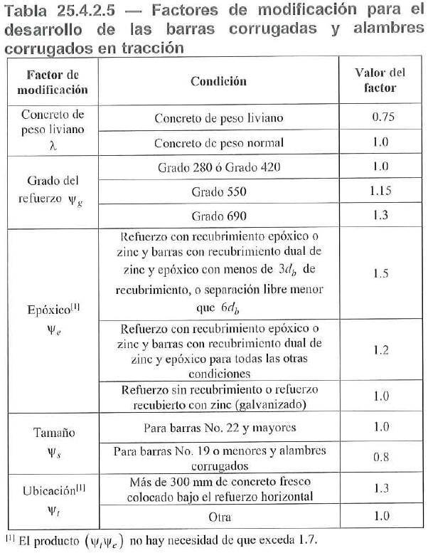
 |  |  |  |  | n barras que se desarrollan |  |  | 420
 |  |  |  |  | 1.000 |  | Concr normal | 550
 |  |  |  |  |  |  | Concr liviano | 690 |  | recub (m) | spacing (m) |  | EST confinamiento | Area [mm²] |  | No.3 | Ast req
 |  |  |  |  |  | f'c= 21 | Concr normal | fy= 420 |  | 0.075 | 0.100 |  | No.5 | 199.00 |  | No.4 | As colocado
 |  |  |  |  |  | 4.582575695 |  |  |  | ψo = 1.000 |  |  |  |  |  | No.5 | fctr reducc | #DIV/0!
 |  |  |  |  |  | ψc = 0.800

 |  |  |  | fy=420 SIN recub epox |  |  |  |  |  |  |  |  |  |  |  |  | REDUCCIÓN
 | (cb + ktr)/db | ψr = 1.60 | 6 db [mm] | ψs | Barra | Diam [mm] | Area [mm²] | w [kgf/m] | ld | ld [mm] | ldh | ldh [mm] | lg 90° [mm] | lg 180° [mm] | lt | lt [mm] | ld [mm] | ldh [mm] | lt [mm]
 | 2.50 | 1.00 | 57 | 0.8 | No.3 | 9.5 | 71.0 | 0.56 | 329.28 | 329.28 | 93.34 | 150.00 | 143 | 65 | 428.06 | 428.06 | 330 | 150 | 429
 | 2.50 | 1.00 | 76.2 | 0.8 | No.4 | 12.7 | 129.0 | 0.994 | 440.19 | 440.19 | 144.28 | 150.00 | 191 | 65 | 572.25 | 572.25 | 441 | 150 | 573
 | 2.50 | 1.00 | 95.4 | 0.8 | No.5 | 15.9 | 199.0 | 1.552 | 551.11 | 551.11 | 202.11 | 202.11 | 239 | 65 | 716.44 | 716.44 | 552 | 203 | 717
 | 2.50 | 1.00 | 114.6 | 0.8 | No.6 | 19.1 | 284.0 | 2.235 | 662.02 | 662.02 | 266.10 | 266.10 | 287 | 77 | 860.63 | 860.63 | 663 | 267 | 861
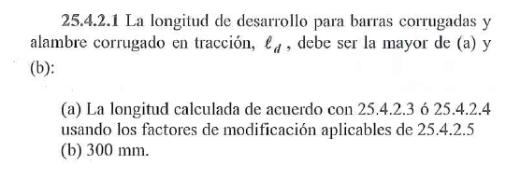
 | 2.50 | 1.00 | 133.2 | 1 | No.7 | 22.2 | 387.0 | 3.042 | 961.84 | 961.84 | 333.45 | 333.45 | 333 | 89 | 1250.39 | 1250.39 | 962 | 334 | 1251
 | 2.50 | 1.00 | 152.4 | 1 | No.8 | 25.4 | 510.0 | 3.973 | 1100.48 | 1100.48 | 408.09 | 408.09 | 381 | 102 | 1430.63 | 1430.63 | 1101 | 409 | 1431
 | 2.50 | 1.00 | 172.2 | 1 | No.9 | 28.7 | 645.0 | 5.060 | 1243.46 | 1243.46 | 490.15 | 490.15 | 460 | 115 | 1616.50 | 1616.50 | 1244 | 491 | 1617
 | 2.50 | 1.00 | 193.8 | 1 | No.10 | 32.3 | 819.0 | 6.404 | 1399.44 | 1399.44 | 585.20 | 585.20 | 517 | 130 | 1819.27 | 1819.27 | 1400 | 586 | 1820
 | 2.50 | 1.60 | 214.8 | 1 | No.11 | 35.8 | 1006.0 | 7.907 | 1551.08 | 1551.08 | 1092.56 | 1092.56 | 573 | 144 | 2016.40 | 2016.40 | 1552 | 1093 | 2017
 |  |  |  |  |  |  |  |  |  |  |  |  |  |  |  |  | 0

 |  |  |  |  | Barra | Diam [mm] | Area [mm²] | w [kgf/m] | ld [mm] | ldh [mm] | lt [mm] | lg 90° [mm] | lg 180° [mm]
 |  |  |  |  | No.3 | 9.5 | 71.00 | 0.56 | 330 | 150 | 429 | 143 | 65
 |  |  |  |  | No.4 | 12.7 | 129.00 | 0.99 | 441 | 150 | 573 | 191 | 65
 |  |  |  |  | No.5 | 15.9 | 199.00 | 1.55 | 552 | 203 | 717 | 239 | 65
 |  |  |  |  | No.6 | 19.1 | 284.00 | 2.24 | 663 | 267 | 861 | 287 | 77
 |  |  |  |  | No.7 | 22.2 | 387.00 | 3.04 | 962 | 334 | 1251 | 333 | 89
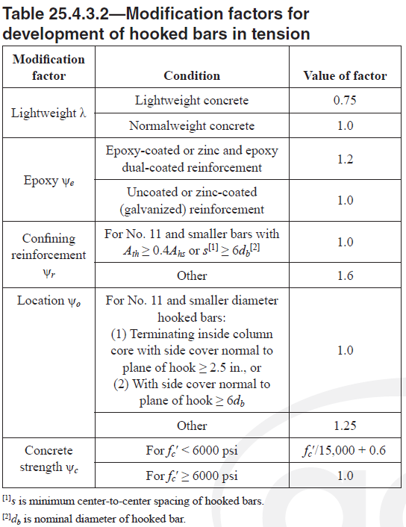
 |  |  |  |  | No.8 | 25.4 | 510.00 | 3.97 | 1101 | 409 | 1431 | 381 | 102
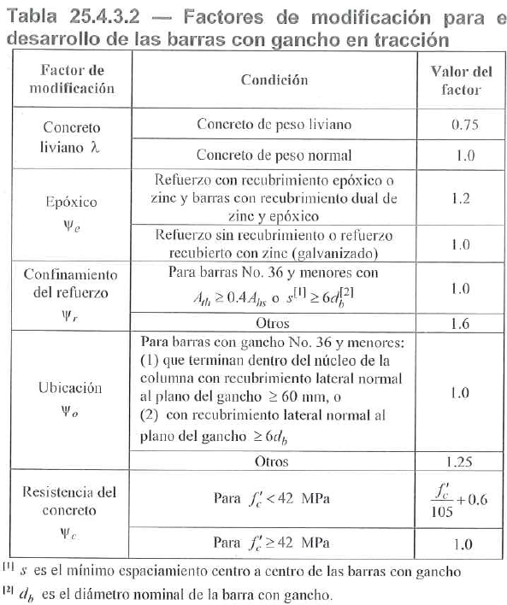
 |  |  |  |  | No.9 | 28.7 | 645.00 | 5.06 | 1244 | 491 | 1617 | 460 | 115
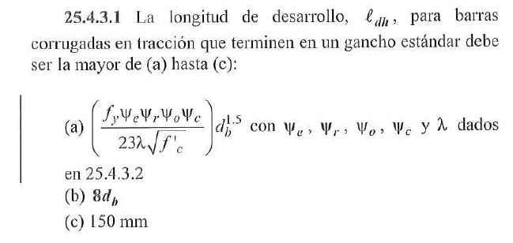
 |  |  |  |  | No.10 | 32.3 | 819.00 | 6.40 | 1400 | 586 | 1820 | 517 | 130
 |  |  |  |  | No.11 | 35.8 | 1006.00 | 7.91 | 1552 | 1093 | 2017 | 573 | 144

 |  |  |  |  |  |  |  |  |  | recub = 5 | recub = 7.5
 |  |  |  | MÍNIMO | Barra | Diam [mm] | Area [mm²] | w [kgf/m] | ld [mm] | ldh [mm] | ldh [mm] | lt [mm] | lg 90° [mm] | lg 180° [mm]
 |  |  |  |  | No.3 | 9.5 | 70.88 | 0.56 | 357 | 176 | 150 | 464 | 143 | 65
 |  |  |  |  | No.4 | 12.7 | 126.68 | 0.99 | 477 | 271 | 217 | 620 | 191 | 65
 |  |  |  |  | No.5 | 15.9 | 198.56 | 1.55 | 597 | 380 | 304 | 776 | 239 | 65
 |  |  |  |  | No.6 | 19.1 | 286.52 | 2.24 | 717 | 500 | 400 | 932 | 287 | 77
 |  |  |  |  | No.7 | 22.2 | 387.08 | 3.04 | 1042 | 626 | 501 | 1354 | 333 | 89
 |  |  |  |  | No.8 | 25.4 | 506.71 | 3.97 | 1192 | 766 | 613 | 1549 | 381 | 102
 |  |  |  |  | No.9 | 28.575 | 641.40 | 5.07 | 1490 | 914 | 731 | 1936 | 458 | 115
 |  |  |  |  | No.10 | 31.75 | 791.80 | 6.26 | 1862 | 1071 | 857 | 2420 | 508 | 127
 |  |  |  |  | No.11 | 34.925 | 958.00 | 7.57 | 2341 | 1235 | 988 | 3043 | 559 | 140

 |  |  |  |  |  |  |  |  |  | recub = 5 | recub = 7.5
 |  |  |  | COMERCIAL | Barra | Diam [mm] | Area [mm²] | w [kgf/m] | ld [m] | ldh [m] | ldh [m] | lt [m] | lg 90° [m] | lg 180° [m]
 |  |  |  | 5 cm | No.3 | 9.5 | 70.88 | 0.56 | 0.40 | 0.20 | 0.15 | 0.50 | 0.15 | 0.10
 |  |  |  |  | No.4 | 12.7 | 126.68 | 0.99 | 0.50 | 0.30 | 0.25 | 0.65 | 0.20 | 0.10
 |  |  |  |  | No.5 | 15.9 | 198.56 | 1.55 | 0.60 | 0.40 | 0.35 | 0.80 | 0.25 | 0.10
 |  |  |  |  | No.6 | 19.1 | 286.52 | 2.24 | 0.75 | 0.50 | 0.40 | 0.95 | 0.30 | 0.10
 |  |  |  |  | No.7 | 22.2 | 387.08 | 3.04 | 1.05 | 0.65 | 0.55 | 1.40 | 0.35 | 0.10
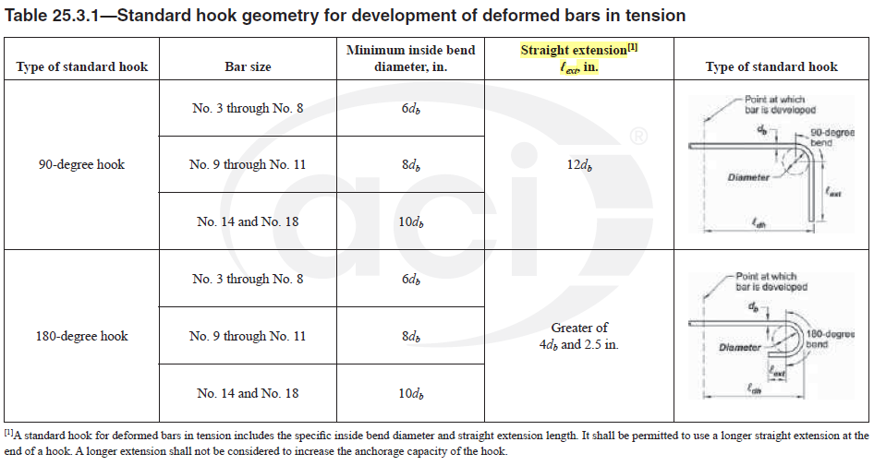
 |  |  |  |  | No.8 | 25.4 | 506.71 | 3.97 | 1.20 | 0.80 | 0.65 | 1.55 | 0.40 | 0.15
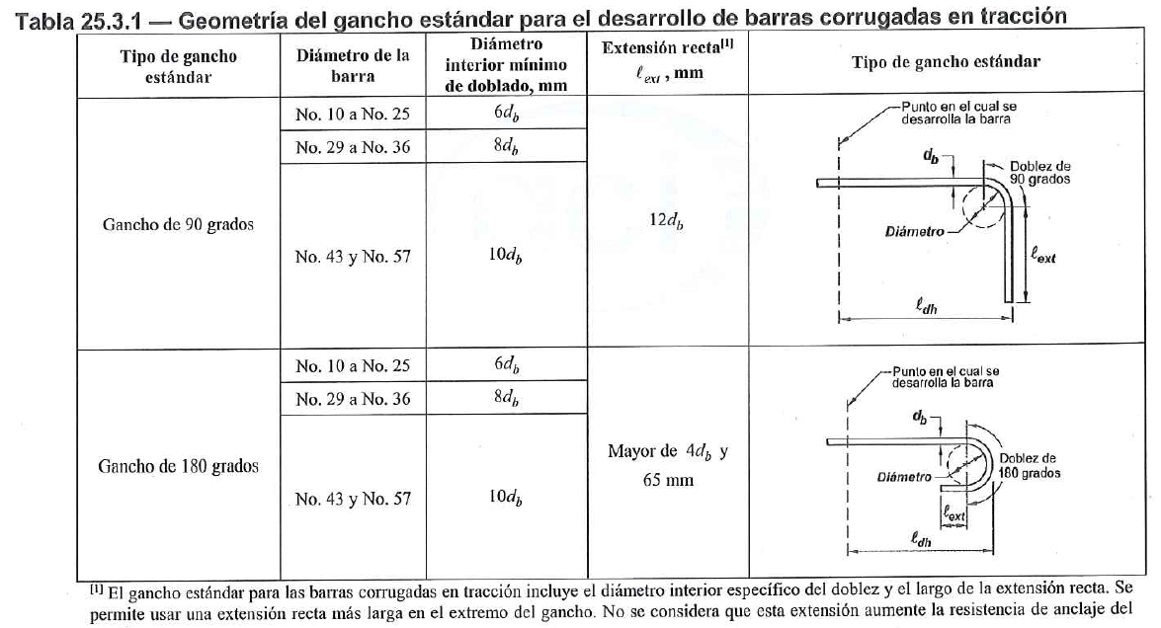
 |  |  |  |  | No.9 | 28.6 | 641.40 | 5.07 | 1.50 | 0.95 | 0.75 | 1.95 | 0.50 | 0.15
 |  |  |  |  | No.10 | 31.8 | 791.80 | 6.26 | 1.90 | 1.10 | 0.90 | 2.45 | 0.55 | 0.15
 |  |  |  |  | No.11 | 34.9 | 958.00 | 7.57 | 2.35 | 1.25 | 1.00 | 3.05 | 0.60 | 0.15

Designación | Diam [mm] | Área [mm²] | Masa [kg/m] | 6 db [mm] | ψs
10M | 10 | 78.5 | 0.616 | 60 | 0.8
12M | 12 | 113.1 | 0.887 | 72 | 0.8
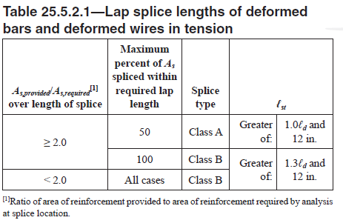
16M | 16 | 201.1 | 1.577 | 96 | 0.8
18M | 18 | 254.5 | 1.996 | 108 | 0.8
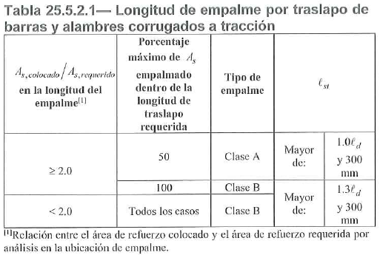
20M | 20 | 314.2 | 2.465 | 120 | 0.8
22M | 22 | 380.1 | 2.982 | 132 | 1
25M | 25 | 490.9 | 3.973 | 150 | 1
28M | 28 | 616 | 4.855 | 168 | 1
30M | 30 | 706.9 | 5.544 | 180 | 1
32M | 32 | 804.2 | 6.309 | 192 | 1
36M | 36 | 1017 | 7.907 | 216 | 1

